Sheet1
 |  | Document No. | Issue No. | Issue Date |  | Review and Replace Date |  |  | Authorised By
 |  | GFF406MC | 1 | 17.10.2023 |  | New Document |  |  | Magda Shah
 |  | Document Title | Southern Fried Chicken W/Garlic Mayo | 250G
Document amendments reason for change |  | New Document |  |  | Page 1 of 1 | Previous Issue Date | New Document |  | Uncontrolled copy unless signed original

CCSFRB-R1TEB | BOOTHS - XMAS |  | Southern Fried Chicken Bites W/Garlic Mayo 250G
STEP 1 |  |  |  |  | STEP 2
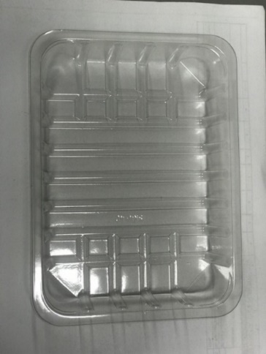 |  |  |  |  | 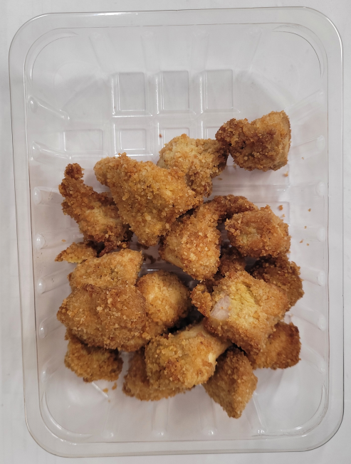
Minimum
7 pieces

DEFROST DAY + 12 DAYS

Tray: SK4 Plain Clear (PKESS001-07) |  |  |  |  | Southern Fried Chicken (GFF460R) 200g
Film: K-peel 7G+25A/f-275mm (PKKMP001-03)
STEP 3 |  |  |  |  | STEP 4
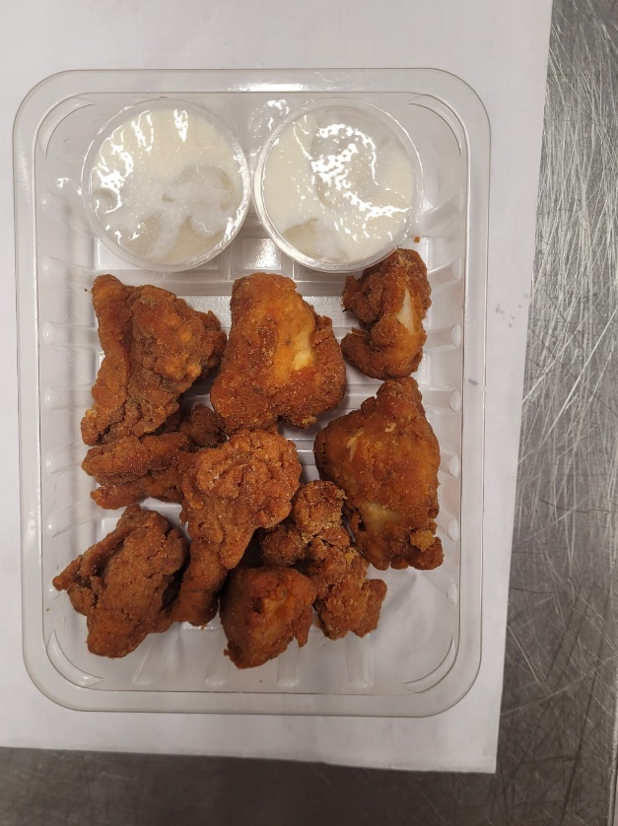

2 x Garlic Mayonnaise Dip Pot 25g (RMPIQ001-05) 50g |  |  |  |  |  |  |  | TOTAL WEIGHT: 250g

ALLERGY ALERT: Egg, Mustard

